Sheet1
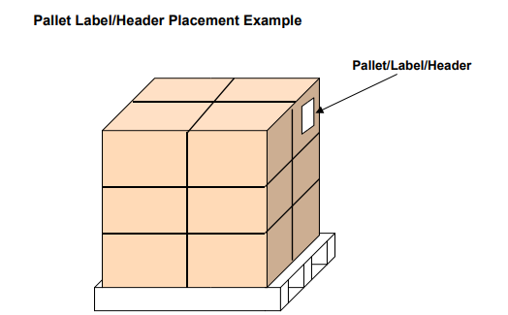
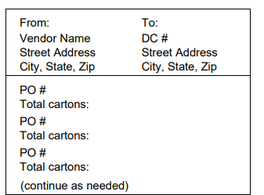
 |  | CUSTOMER: FASHION NOVA

1) PLEASE SEE BELOW MIN AND MAX FOR THE CARTON DIMS:
 | MAX
LENGTH | 24 IN
WIDTH | 18 IN
HEIGHT | 12 IN
WEIGHT | 50LBS

2)SECURITY REINFORCED TAPE SHOULD BE USED IN AN H SHAPE AND ON THE EDGES IT SHOULD COME OUT TO AN H SHAPE (PLEASE SEE BELOW DIAGRAM) DON’T OVERTAPE

TICKETS: | YES
 |  | SHIP VIA :
Pick TICKET # | PO | STYLE | CLR
1739226 | PO963851 | WSS104 | 078

TICKET PLACEMENT

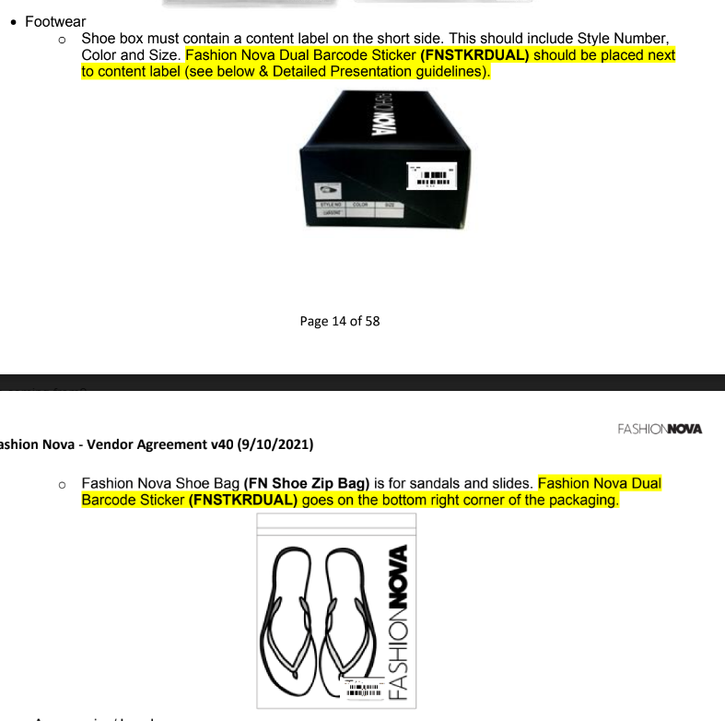
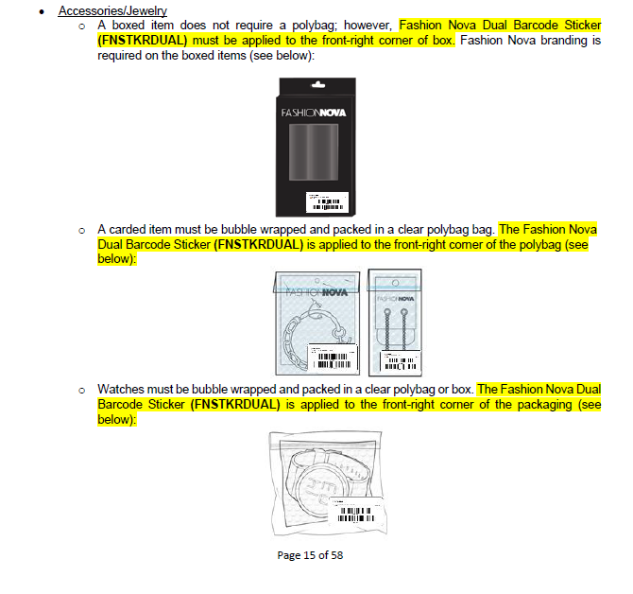

CARTON LABEL PLACEMENT

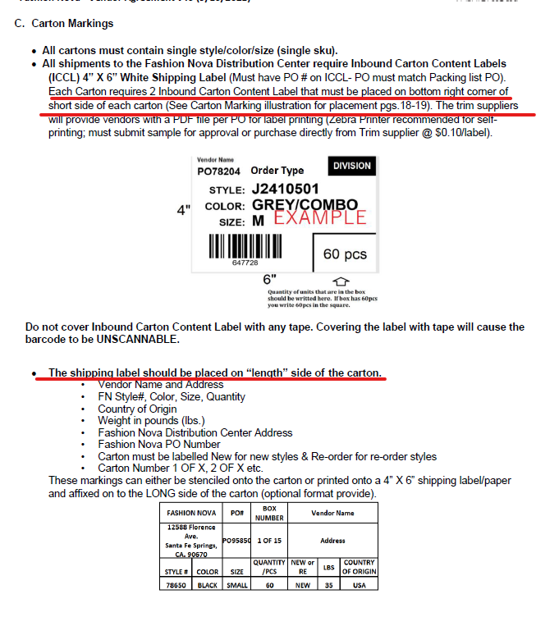
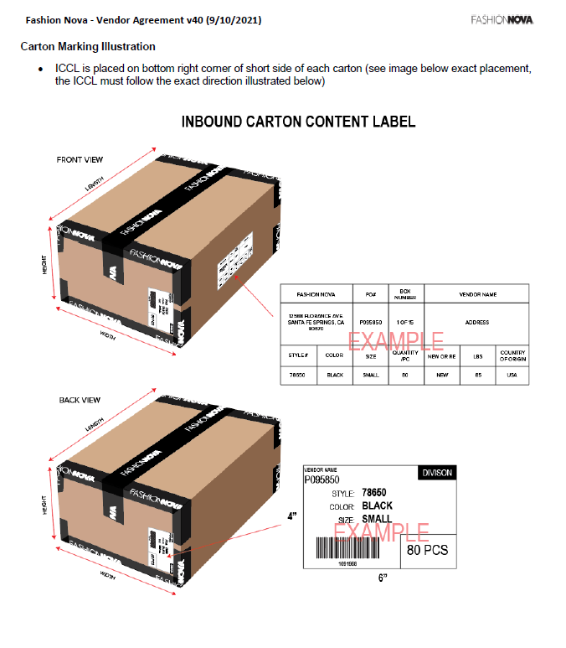

PALLET HIGH CANNOT EXCEED

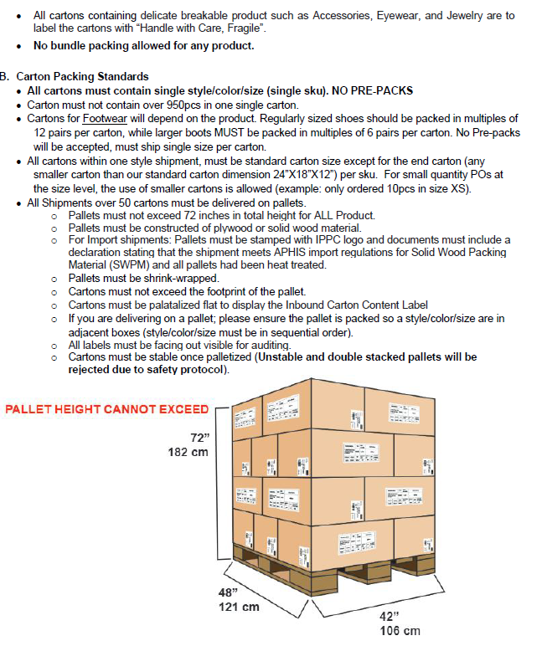

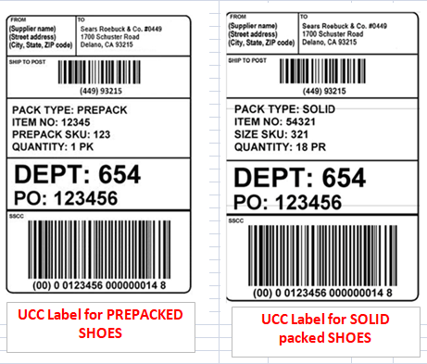

UCC-128 LABEL PLACEMENT

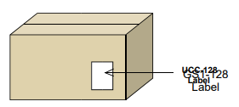

PALLET LABEL
All palletized shipments require an 8½“ x 11” “Pallet Label/Header” on each pallet. Each pallet label/header must contain the following information:
Place the label/header on the shrink/stretch wrap in the upper right portion of the side of each pallet facing toward the tail of the trailer. The side of the pallet facing toward the tail of the trailer should always be the handling side - the side to be approached by the forklift or pallet jack.

